Instructions
SPECIAL PURPOSE FUNDING INSTRUCTIONS FOR COMPLETION | DIRECTIVES SUR LE FINANCEMENT À DES FINS SPÉCIALES

The purpose of these instructions is to support operators in their Special Purpose Applications. If you have any questions related to your application please contact: | Le but de ces instructions est d’aider les opérateurs dans leurs applications à but spécial. Si vous avez des questions au sujet de votre demande, veuillez communiquer avec :

Applications must be submitted by the following dates:
Repairs and Maintenance: July 15th of the current year
Transformation: July 15th of the current year
Capacity Building: November 30th of the current year
Play Based & Equipement: September 30th of the current year
Les demandes doivent être soumises aux dates suivantes :
Réparations et entretien : 15 juillet de l’année en cours
Transformation : 15 juillet de l’année en cours
Renforcement des capacités : 30 novembre de l’année en cours
Jeux et équipement : 30 septembre de l’année en cours

Special purpose funding has been made available with the intent of supporting licensed child care programs. Special purpose funding is targeted towards items and/or required services that are necessary to ensure the health and safety of the children in child care programs. Special Purpose funds will be distributed in accordance to operators that have a current service contract with the City of Cornwall. | Du financement à des fins spéciales a été mis à la disposition du public dans le but d’appuyer les programmes de garde d’enfants agréés. Le financement à des fins spéciales vise les articles et/ou les services nécessaires pour assurer la santé et la sécurité des enfants dans les programmes de garde d’enfants. Les fonds à des fins spéciales seront distribués conformément aux exploitants qui ont un contrat de service en vigueur avec la Ville de Cornwall.

You may complete a request for all categories that are applicable to your program(s) | You may complete a request for all categories that are applicable to your program(s)

For more information please refer to the City of Cornwall's Buisness Practice Guidelines | Pour de plus amples renseignements, veuillez consulter les lignes directrices sur les pratiques de construction de la Ville de Cornwall.
https://www.cornwall.ca/en/live-here/resources/Child-Care/2023-Business-Practice-Guidelines.pdf | https://www.cornwall.ca/en/live-here/resources/Child-Care/2024-Business-Practice-Guidelines-FR.pdf

Must complete separate application forms for different site locations
Remplir des formulaires de demande distincts pour différents emplacements

Step by Step Instructions: | Instructions étape par étape :
You are only required to enter data in the green cells. All other calculations will be performed automatically. | Vous devez seulement entrer des données dans les cellules vertes. Tous les autres calculs seront effectués automatiquement.

STEP 1: Complete the Cover Page | ÉTAPE 1 : Remplir la page couverture
Please complete the cover page with your agency contact information. | Veuillez remplir la page couverture avec les coordonnées de votre agence.
Please ensure to select Yes or NO, for the question "Do you receive an HST rebate" | Veuillez sélectionner Oui ou NON pour la question « Recevez-vous un remboursement de la TVH? »

STEP 2: Selecting a Category | ÉTAPE 2 : Sélection d’une catégorie

Please review the City of Cornwall's Buisness Practice Guidelines to ensure that your funding request fits the critieria. | Veuillez consulter les lignes directrices de la Ville de Cornwall sur les pratiques de construction pour vous assurer que votre demande de financement répond aux critères.
https://www.cornwall.ca/en/live-here/resources/Child-Care/2023-Business-Practice-Guidelines.pdf | https://www.cornwall.ca/en/live-here/resources/Child-Care/2024-Business-Practice-Guidelines-FR.pdf

Complete the columns in each application sheet you are submitting. | Remplissez les colonnes de chaque feuille de demande que vous soumettez.
There are pop up reminders on some of the columns to assist . For example, Total Cost - reminder that this should include HST, Shipping etc. | Il y a des rappels contextuels sur certaines colonnes pour aider . Par exemple, Coût total - rappel que cela devrait inclure la TVH, l’expédition, etc.

Note: Please list your items in order of priority, in the event not all requests can be supported. | Remarque : Veuillez énumérer vos articles par ordre de priorité, dans le cas où toutes les demandes ne peuvent pas être prises en charge.

The application form contains several rows to allow you to enter data. Please see instructions below on how to only show the | Le formulaire de demande contient plusieurs lignes pour vous permettre d’entrer des données. Veuillez consulter les instructions ci-dessous sur la façon de n’afficher que les lignes où les données ont été saisies pour faciliter la visualisation et l’impression.
rows where data has been entered for ease of viewing and/or printing.

Prior to submitting your application form, please go to the cell that contains the blue "Filter" button. Click on the symbol to the right of the
"Filter" button. This gives you the ability to only show the rows that contain information. | Avant de soumettre votre formulaire de demande, veuillez aller à la cellule qui contient le bouton bleu "Filtrer". Cliquez sur le symbole à droite du bouton « Filtrer », ce qui vous permet de n’afficher que les lignes qui contiennent de l’information.
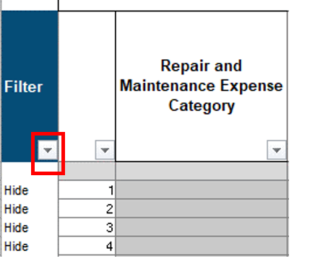
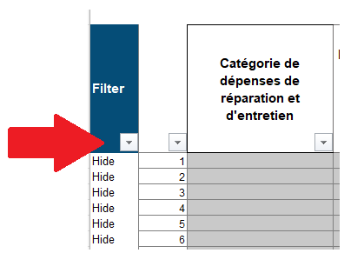

Please ensure that only the "Show" option contains a check mark. You can remove the other checkmark by left clicking on the box beside "hide". | Assurez-vous que seule l’option « show » contient une coche. Vous pouvez supprimer l’autre coche en cliquant avec le bouton gauche de la souris sur la case à côté de « hide ».

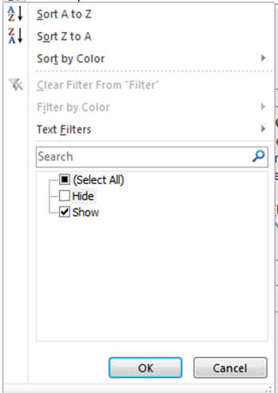

STEP 3: Submitting your Application | ÉTAPE 3 : Soumettre votre demande
After the application has been completed, please verify the summary page and sign the certification/attestation section.
Please submit a working copy (excel file) along with all requrired documentation, including quotes, receipts, etc. via email to
cs-specialpurpose@cornwall.ca
Une fois la demande remplie, veuillez vérifier la page de résumé et signer la section Attestation.
Veuillez soumettre une copie de travail (fichier excel) avec tous les documents requis, y compris les devis, les reçus, etc. par courriel à cs-specialpurpose@cornwall.ca

Summary

Special Purpose Application Summary

Name of Operator | 0 |  |  |  |  | Date | 0

Contact Person | 0 |  |  | Do you have an HST number? |  |  |  | 0.00%

Telephone | 0

Email | 0

0 |  | Capacity Building |  |  | Special Needs Resourcing Equipment

Total Eligible | $- | Total Eligible | $- |  | Total Eligible |  |  | $-
% of funding for ITP | 0.00% | % of funding for ITP | 0.00% |  | % of funding for ITP |  |  | 0.00%
% of funding for K | 0.00% | % of funding for K | 0.00% |  | % of funding for K |  |  | 0.00%
% of funding for SA | 0.00% | % of funding for SA | 0.00% |  | % of funding for SA |  |  | 0.00%

0 |  | 0

Total Eligible | $- | Total Eligible | $-
% of funding for ITP | 0.00% | % of funding for ITP | 0.00%
% of funding for K | 0.00% | % of funding for K | 0.00%
% of funding for SA | 0.00% | % of funding for SA | 0.00%

