Total Inf
Total Infections

 | Summary of infections occuring within the home (excluding those acquired outside the home) |  |  |  |  |  |  |  |  |  | Monthly rates of home associated infections, per 1,000 resident days (excluding those acquired outside the home)
 | Month | Respiratory | Gastro | UTIs | Eye and Mouth | Skin Infections | Systemic Infections | [Other] Infections A | [Other] Infections B | Total | Month | Resident Days | Respiratory | Gastro | UTIs | Eye and Mouth | Skin Infections | Systemic Infections | [Other] Infections A | [Other] Infections B | Avg
 | Jan | 0 | 0 | 0 | 0 | 0 | 0 | 0 | 0 | 0 | Jan |  | -- | -- | -- | -- | -- | -- | -- | --
 | Feb | 0 | 0 | 0 | 0 | 0 | 0 | 0 | 0 | 0 | Feb |  | -- | -- | -- | -- | -- | -- | -- | --
 | Mar | 0 | 0 | 0 | 0 | 0 | 0 | 0 | 0 | 0 | Mar |  | -- | -- | -- | -- | -- | -- | -- | --
 | Apr | 0 | 0 | 0 | 0 | 0 | 0 | 0 | 0 | 0 | Apr |  | -- | -- | -- | -- | -- | -- | -- | --
 | May | 0 | 0 | 0 | 0 | 0 | 0 | 0 | 0 | 0 | May |  | -- | -- | -- | -- | -- | -- | -- | --
 | Jun | 0 | 0 | 0 | 0 | 0 | 0 | 0 | 0 | 0 | Jun |  | -- | -- | -- | -- | -- | -- | -- | --
 | Jul | 0 | 0 | 0 | 0 | 0 | 0 | 0 | 0 | 0 | Jul |  | -- | -- | -- | -- | -- | -- | -- | --
 | Aug | 0 | 0 | 0 | 0 | 0 | 0 | 0 | 0 | 0 | Aug |  | -- | -- | -- | -- | -- | -- | -- | --
 | Sep | 0 | 0 | 0 | 0 | 0 | 0 | 0 | 0 | 0 | Sep |  | -- | -- | -- | -- | -- | -- | -- | --
 | Oct | 0 | 0 | 0 | 0 | 0 | 0 | 0 | 0 | 0 | Oct |  | -- | -- | -- | -- | -- | -- | -- | --
 | Nov | 0 | 0 | 0 | 0 | 0 | 0 | 0 | 0 | 0 | Nov |  | -- | -- | -- | -- | -- | -- | -- | --
 | Dec | 0 | 0 | 0 | 0 | 0 | 0 | 0 | 0 | 0 | Dec |  | -- | -- | -- | -- | -- | -- | -- | --
 | Annual Total | 0 | 0 | 0 | 0 | 0 | 0 | 0 | 0 | 0 | Annual Avg |  | #DIV/0! | #DIV/0! | #DIV/0! | #DIV/0! | #DIV/0! | #DIV/0! | #DIV/0! | #DIV/0!

Total Number of Home Associated Infections by Month
Monthly Infection Rates per 1,000 Resident Days

Total Number of All Infections by Month
 | Summary of all infections occuring in the home, including those acquired outside the facility
 | Month | Respiratory | Gastro | UTIs | Eye and Mouth | Skin Infections | Systemic Infections | [Other] Infections A | [Other] Infections B | Total
 | Jan | 0 | 0 | 0 | 0 | 0 | 0 | 0 | 0 | 0
 | Feb | 0 | 0 | 0 | 0 | 0 | 0 | 0 | 0 | 0
 | Mar | 0 | 0 | 0 | 0 | 0 | 0 | 0 | 0 | 0
 | Apr | 0 | 0 | 0 | 0 | 0 | 0 | 0 | 0 | 0
 | May | 0 | 0 | 0 | 0 | 0 | 0 | 0 | 0 | 0
 | Jun | 0 | 0 | 0 | 0 | 0 | 0 | 0 | 0 | 0
 | Jul | 0 | 0 | 0 | 0 | 0 | 0 | 0 | 0 | 0
 | Aug | 0 | 0 | 0 | 0 | 0 | 0 | 0 | 0 | 0
 | Sep | 0 | 0 | 0 | 0 | 0 | 0 | 0 | 0 | 0
 | Oct | 0 | 0 | 0 | 0 | 0 | 0 | 0 | 0 | 0
 | Nov | 0 | 0 | 0 | 0 | 0 | 0 | 0 | 0 | 0
 | Dec | 0 | 0 | 0 | 0 | 0 | 0 | 0 | 0 | 0
 | Annual Total | 0 | 0 | 0 | 0 | 0 | 0 | 0 | 0 | 0

Total AROs
Total AROs

 |  | Total Number of AROs acquired within the home by Month |  |  |  |  |  |  |  |  |  | Monthly Rates of AROs acquired within the home per 1,000 Resident Days
 |  | MRSA |  | VRE BSIs | CPE |  | ESBL |  | Total |  |  | MRSA |  | VRE BSIs | CPE |  | ESBL |  | Average
 | Month | Colonized | Infected | Infected | Colonized | Infected | Colonized | Infected |  | Month | Resident Days | Colonized | Infected | Infected | Colonized | Infected | Colonized | Infected
 | Jan | 0 | 0 | 0 | 0 | 0 | 0 | 0 | 0 | Jan | 0 | -- | -- | -- | -- | -- | -- | -- | #DIV/0!
 | Feb | 0 | 0 | 0 | 0 | 0 | 0 | 0 | 0 | Feb | 0 | -- | -- | -- | -- | -- | -- | -- | #DIV/0!
 | Mar | 0 | 0 | 0 | 0 | 0 | 0 | 0 | 0 | Mar | 0 | -- | -- | -- | -- | -- | -- | -- | #DIV/0!
 | Apr | 0 | 0 | 0 | 0 | 0 | 0 | 0 | 0 | Apr | 0 | -- | -- | -- | -- | -- | -- | -- | #DIV/0!
 | May | 0 | 0 | 0 | 0 | 0 | 0 | 0 | 0 | May | 0 | -- | -- | -- | -- | -- | -- | -- | #DIV/0!
 | Jun | 0 | 0 | 0 | 0 | 0 | 0 | 0 | 0 | Jun | 0 | -- | -- | -- | -- | -- | -- | -- | #DIV/0!
 | Jul | 0 | 0 | 0 | 0 | 0 | 0 | 0 | 0 | Jul | 0 | -- | -- | -- | -- | -- | -- | -- | #DIV/0!
 | Aug | 0 | 0 | 0 | 0 | 0 | 0 | 0 | 0 | Aug | 0 | -- | -- | -- | -- | -- | -- | -- | #DIV/0!
 | Sep | 0 | 0 | 0 | 0 | 0 | 0 | 0 | 0 | Sep | 0 | -- | -- | -- | -- | -- | -- | -- | #DIV/0!
 | Oct | 0 | 0 | 0 | 0 | 0 | 0 | 0 | 0 | Oct | 0 | -- | -- | -- | -- | -- | -- | -- | #DIV/0!
 | Nov | 0 | 0 | 0 | 0 | 0 | 0 | 0 | 0 | Nov | 0 | -- | -- | -- | -- | -- | -- | -- | #DIV/0!
 | Dec | 0 | 0 | 0 | 0 | 0 | 0 | 0 | 0 | Dec | 0 | -- | -- | -- | -- | -- | -- | -- | #DIV/0!
 | Annual Total | 0 | 0 | 0 | 0 | 0 | 0 | 0 | 0 | Annual Avg |  | #DIV/0! | #DIV/0! | #DIV/0! | #DIV/0! | #DIV/0! | #DIV/0! | #DIV/0! | --
Total Number of AROs by Month
Monthly ARO Rates per 1,000 Resident Days

 |  |  |  |  |  |  |  |  |  |  |  |  |  |  |  |  |  |  |  | 2

Total Number of AROs by Month
 |  | Total Number of AROs in home by month, regardless of where these where acquired
 |  | MRSA |  | VRE BSIs | CPE |  | ESBL |  | Total
 | Month | Colonized | Infected | Infected | Colonized | Infected | Colonized | Infected
 | Jan | 0 | 0 | 0 | 0 | 0 | 0 | 0 | 0
 | Feb | 0 | 0 | 0 | 0 | 0 | 0 | 0 | 0
 | Mar | 0 | 0 | 0 | 0 | 0 | 0 | 0 | 0
 | Apr | 0 | 0 | 0 | 0 | 0 | 0 | 0 | 0
 | May | 0 | 0 | 0 | 0 | 0 | 0 | 0 | 0
 | Jun | 0 | 0 | 0 | 0 | 0 | 0 | 0 | 0
 | Jul | 0 | 0 | 0 | 0 | 0 | 0 | 0 | 0
 | Aug | 0 | 0 | 0 | 0 | 0 | 0 | 0 | 0
 | Sep | 0 | 0 | 0 | 0 | 0 | 0 | 0 | 0
 | Oct | 0 | 0 | 0 | 0 | 0 | 0 | 0 | 0
 | Nov | 0 | 0 | 0 | 0 | 0 | 0 | 0 | 0
 | Dec | 0 | 0 | 0 | 0 | 0 | 0 | 0 | 0
 | Annual Total | 0 | 0 | 0 | 0 | 0 | 0 | 0 | 0

Staff Surveillance Instructions
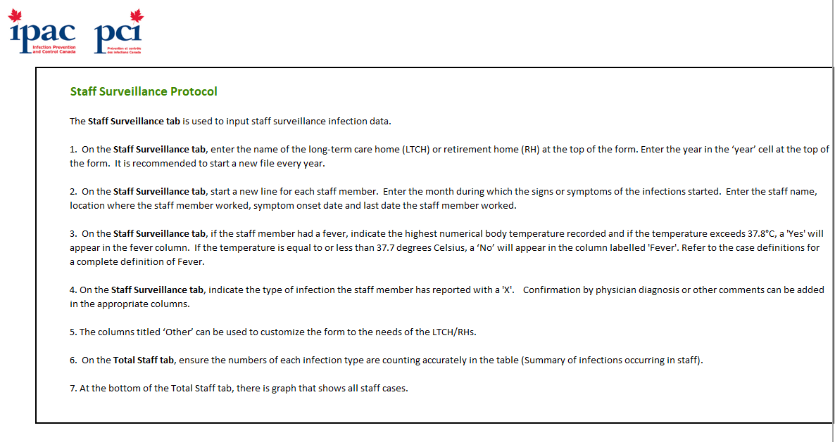

Total Staff
Total Infections

 | Summary of infections occuring in staff
 | Month | Respiratory | Gastro | Skin Infections | [Other] Infections A | [Other] Infections B | Total | Avg
 | Jan | 0 | 0 | 0 | 0 | 0 | 0
 | Feb | 0 | 0 | 0 | 0 | 0 | 0
 | Mar | 0 | 0 | 0 | 0 | 0 | 0
 | Apr | 0 | 0 | 0 | 0 | 0 | 0
 | May | 0 | 0 | 0 | 0 | 0 | 0
 | Jun | 0 | 0 | 0 | 0 | 0 | 0
 | Jul | 0 | 0 | 0 | 0 | 0 | 0
 | Aug | 0 | 0 | 0 | 0 | 0 | 0
 | Sep | 0 | 0 | 0 | 0 | 0 | 0
 | Oct | 0 | 0 | 0 | 0 | 0 | 0
 | Nov | 0 | 0 | 0 | 0 | 0 | 0
 | Dec | 0 | 0 | 0 | 0 | 0 | 0
 | Annual Total | 0 | 0 | 0 | 0 | 0 | 0

Total Number of Staff Infections by Month

